v2024 Instructions
BFZ Wellsky Report - Monthly Metrics Tables Overview
The sheets in this workbook are designed to be used with v2024 or v2024.2 versions of the BFZ Inflow and Outflow reports found in the ART Site/Business Objects of WellSky HMIS installations.
DISCLAIMER: The functions in this workbook were created in Excel for Microsoft 365 may not be compatiable other versions of Excel.
The tables included in this workbook use the data in the WellSky Inflow and Outflow reports and aggregate it for reporting monthly data.

How to use this workbook: |  | Before you get started | Notes and tips on using the Monthly Reporting Tool
1 | In Business Objects, run a v2024 Inflow and Outflow report for the desired report time period. | The reports should be reviewed for data quality issues prior to reporting BFZ metrics. This includes merging duplicate records, correcting records that indicate "No HoH or DOB Missing", and reviewing the NHICE report. You can find more information about how to review data quality using these reports on the BFZ report webpage, linked below. | The "No HoH or DOB Missing" BFZ Household Type value
2 | Download the Inflow and Outflow report outputs to Excel. |  | Any records with the value "No HoH or DOB Missing" in the BFZ Household Type field are not included in household population or subpopulation totals in the table calculations. They are included in the All Population category. The records in this category should be reviewed prior to generating BFZ metrics to submit monthly data and corrected so that an accurate population type can be identified for all clients. The "No HoH or DOB missing" row in the data table can be used to identify how many individuals are not being accounted for in any population or subpopulation.
3 | In this workbook, find the "v2024 Active and Inflow" sheet | Link to the BFZ WellSky report webpage: https://login.builtforzero.org/resources/wellsky-community-services-built-for-zero-report/
4 | 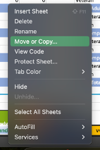 Right click on the "v2024 Active and Inflow" sheet name and select "Move or Copy…" | Use the BFZ Reporting Manual linked below for detailed definitions of each population, subpopulation, and reporting category. | Families and Youth calculations
 |  |  | The tables in this workbook include Family and Youth data. The Family data includes all families with minor children, including those where the Head of Household is under 25 years old. The Youth category only includes unaccompanied youth under 25 years old. Parenting youth are only included in the Family category, but can be reviewed in the report details.
 |  | Link to BFZ Reporting Manual: https://login.builtforzero.org/wp-content/uploads/2025/05/BFZ-Reporting-Manual-2025-Guidance-.pdf

5 | 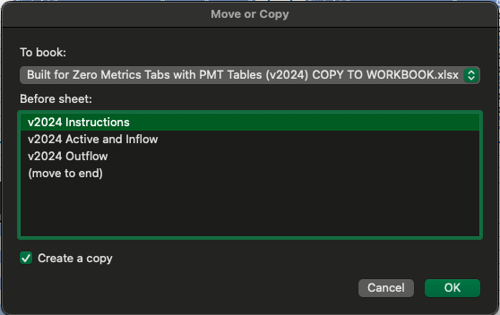 Then in the pop-up window, find your Inflow report that you downloaded in step 2 in the dropdown list of available spreadsheets under "To book:." Under "Before sheet:" select the placement of the reporting table (where in your Inflow report download you want it to land), and check the box for "Create a copy."
6 | In this workbook, find the "v2024 Outflow" sheet
7 | Right click on the "v2024 Outflow" sheet name and select "Move or Copy…" (see image in Step 4)
8 | Then in the pop-up window, find your Outflow report that you downloaded in step 2 in the dropdown list of available spreadsheets under "To book:." Under "Before sheet:" select the placement of the reporting table (where in your Outflow report download you want it to land), and check the box for "Create a copy." (See image in Step 5)
9 | 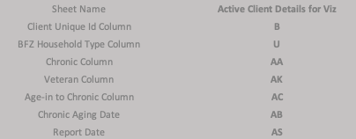 The reporting tables in the added sheets will populate based on the data in your downloaded reports. Double check that the column identifiers in rows 5-13 match your report outputs. If you have added customizations and additional columns have been added to your report, the column identifiers may need to be changed.
10 | The data the populates in the tables can be used to report monthly metrics for each population.
 | Click here to report monthly data!

